Market Value
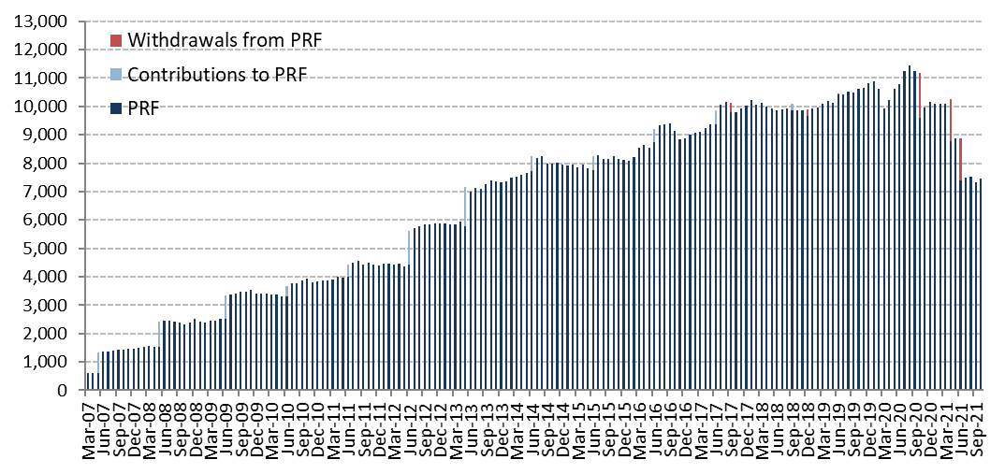
Initial Adjustment | Changes in Market Value | 2012 | 2013 | 2014 | 2015 | 2016 | 2017 | 2018 | 2019 | 2020 | 2021 |  |  |  | Since Inception
 | (US$ million) |  |  |  |  |  |  |  |  |  | Q1 | Q2 | Q3 | October
 | Starting Market Value(1) | 4,405.60 | 5,883.25 | 7,335.11 | 7,943.70 | 8,112.21 | 8,862.07 | 10,010.95 | 9,663.25 | 10,812.08 | 10,156.83 | 10,080.12 | 7,386.48 | 7,331.39 | 0.00
604.54 | Contributions | 1,197.37 | 1,376.75 | 498.93 | 463.88 | 462.29 | 505.15 | 541.58 | 563.89 | 0.00 | 0.00 | 0.00 | 0.00 | 0.00 | 9,477.13
 | Withdrawals | 0.00 | 0.00 | 0.00 | 0.00 | 0.00 | -313.95 | -525.05 | -576.51 | -1,576.48 | 0.00 | -2,959.82 | 0.00 | 0.00 | -5,951.80
 | Accrued Interest | 130.65 | 174.06 | 190.18 | 194.29 | 197.38 | 207.71 | 221.70 | 265.13 | 220.42 | 37.81 | 39.72 | 36.62 | 10.75 | 2,260.59
0.09 | Capital Gains (Losses) | 150.87 | -94.60 | -75.90 | -485.19 | 94.45 | 754.81 | -581.19 | 903.79 | 709.27 | -112.92 | 228.05 | -90.71 | 110.98 | 1,717.39
 | Admin., Custody and Other Costs(2) | -1.23 | -4.35 | -4.63 | -4.47 | -4.24 | -4.85 | -4.74 | -7.46 | -8.47 | -1.60 | -1.59 | -0.99 | -0.34 | -50.52
 | Final Market Value | 5,883.25 | 7,335.11 | 7,943.70 | 8,112.21 | 8,862.07 | 10,010.95 | 9,663.25 | 10,812.08 | 10,156.83 | 10,080.12 | 7,386.48 | 7,331.39 | 7,452.78 | 7,452.78
 | (1) The PRF was established with an initial contribution of US$604.5 million on December 28, 2006.
 | (2) It includes costs associated with consultants and others.

 | By Asset Class | 2012 | 2013 | 2014 | 2015 | 2016 | 2017 | 2018 | 2019 (1) | 2020 | 2021
 | (US$ million) |  |  |  |  |  |  |  |  |  | Q1 | Q2 | Q3 | October
 | Sovereign Bills and Bonds(2) | - | - | - | - | - | - | - | - | 2,806.13 | 2,806.62 | - | - | -
 | Sovereign and Government Related Bonds | 2,703.67 | 3,431.55 | 3,766.56 | 3,975.33 | 4,099.88 | 4,695.10 | 4,404.18 | 3,653.35 | 2,431.35 | 2,314.30 | 2,469.52 | 2,458.17 | 2,449.13
 | Inflation Indexed Sov. Bonds | 1,029.31 | 1,233.25 | 1,356.21 | 1,344.03 | 1,529.29 | 1,729.17 | 1,649.91 | 1,148.62 | 578.55 | 555.48 | 585.79 | 574.90 | 590.23
 | US Agencies MBS | - | - | - | - | - | - | - | 619.96 | 416.61 | 412.50 | 439.62 | 440.73 | 439.52
 | Corporate Bonds | 1,198.96 | 1,453.66 | 1,609.61 | 1,628.69 | 1,788.70 | 1,993.53 | 1,918.37 | 1,415.47 | 925.68 | 884.82 | 958.19 | 950.87 | 951.47
 | High Yield Bonds | - | - | - | - | - | - | - | 845.68 | 577.54 | 572.16 | 589.37 | 586.80 | 582.45
 | Equities | 951.31 | 1,216.65 | 1,211.32 | 1,164.15 | 1,444.20 | 1,593.15 | 1,690.79 | 3,128.99 | 2,420.96 | 2,534.23 | 2,344.01 | 2,319.93 | 2,439.98
 | Market Value | 5,883.25 | 7,335.11 | 7,943.70 | 8,112.21 | 8,862.07 | 10,010.95 | 9,663.25 | 10,812.08 | 10,156.83 | 10,080.12 | 7,386.48 | 7,331.39 | 7,452.78 |  | j
 | (1) Investments in US Agencies MBS and High Yield Bonds started on January 22nd 2019.
 | (2) Corresponds to the Short-Term Portfolio of the FRP composed of US Treasury Bills and Bonds, which begins on October 1, 2020 and ends on June 8, 2021.

 | By Risk Exposure(1) | 2012 | 2013 | 2014 | 2015 | 2016 | 2017 | 2018 | 2019 | 2020 | 2021
 | (US$ million) |  |  |  |  |  |  |  |  |  | Q1 | Q2 | Q3 | October
 | Sovereign(2) | - | - | - | - | - | - | - | - | 2,806.05 | 2,806.62 | - | - | -
 | Sovereign and Government Related(3) | 3,713.54 | 4,654.00 | 5,122.40 | 5,295.10 | 5,624.09 | 6,422.43 | 6,035.00 | 5,613.99 | 3,563.17 | 3,410.38 | 3,657.02 | 3,632.72 | 3,645.93
 | Banks (4) | 37.11 | 25.14 | 13.90 | 39.97 | 22.16 | 24.96 | 37.34 | -19.60 | -12.18 | -16.25 | -41.36 | -36.29 | -47.83
 | Corporate Bonds | 1,186.74 | 1,444.15 | 1,600.48 | 1,616.86 | 1,777.89 | 1,978.33 | 1,906.92 | 2,101.75 | 1,390.91 | 1,354.50 | 1,440.15 | 1,426.82 | 1,426.49
 | Equity | 945.87 | 1,211.83 | 1,206.92 | 1,160.27 | 1,437.93 | 1,585.22 | 1,683.99 | 3,115.94 | 2,408.87 | 2,524.86 | 2,330.68 | 2,308.14 | 2,428.20
 | Market Value | 5,883.25 | 7,335.11 | 7,943.70 |  | 8,862.07 | 10,010.95 | 9,663.25 | 10,812.08 | 10,156.83 | 10,080.12 | 7,386.48 | 7,331.39 | 7,452.78
 | (1) Only for the purposes of this table the term deposits and cash equivalents associated to each asset class are reported as Banks.
 | (2) It includes cash and cash equivalents related to the short term investment portfolio.
 | (3) It includes US Agencies MBS, forwards and TBA's.
 | (4) it represents cash, cash equivalents and unliquitated transactions related to the long term investment portfolio since 2012.

 | Changes in Market Value Since Inception
 | (US$ million)
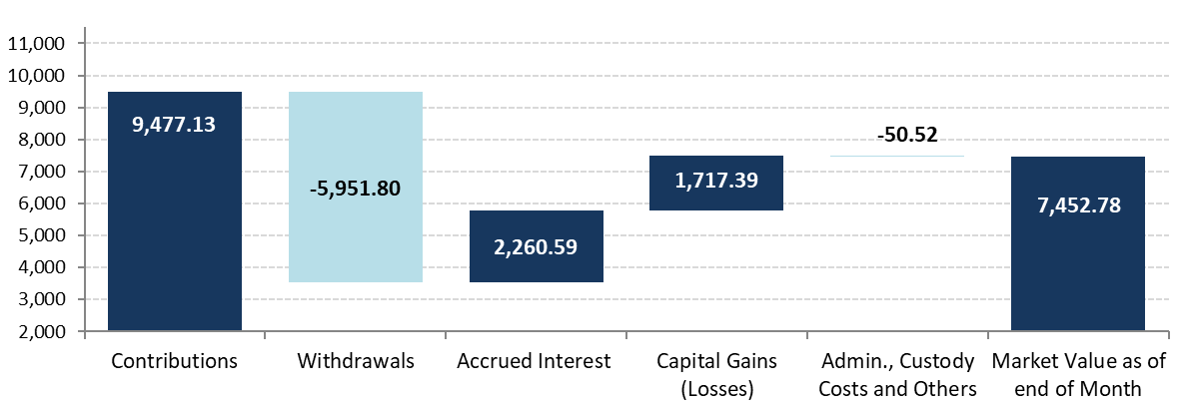

 | Historical Market Value
 | (US$ million)

