Market Value
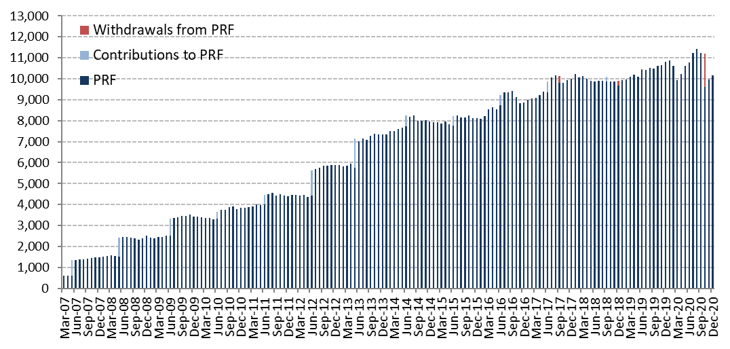
Initial Adjustment | Changes in Market Value | 2012 | 2013 | 2014 | 2015 | 2016 | 2017 | 2018 | 2019 | 2020 |  |  |  |  |  | Since Inception
 | (US$ million) |  |  |  |  |  |  |  |  | Q1 | Q2 | Q3 | October | November | December
 | Starting Market Value(1) | 4,405.60 | 5,883.25 | 7,335.11 | 7,943.70 | 8,112.21 | 8,862.07 | 10,010.95 | 9,663.25 | 10,812.08 | 9,922.52 | 10,786.57 | 11,239.22 | 9,614.03 | 9,977.38 | 0.00
604.54 | Contributions | 1,197.37 | 1,376.75 | 498.93 | 463.88 | 462.29 | 505.15 | 541.58 | 563.89 | 0.00 | 0.00 | 0.00 | 0.00 | 0.00 | 0.00 | 9,477.13
 | Withdrawals | 0.00 | 0.00 | 0.00 | 0.00 | 0.00 | -313.95 | -525.05 | -576.51 | 0.00 | 0.00 | 0.00 | -1,576.48 | 0.00 | 0.00 | -2,991.98
 | Accrued Interest | 130.65 | 174.06 | 190.18 | 194.29 | 197.38 | 207.71 | 221.70 | 265.13 | 62.59 | 61.95 | 59.36 | 10.67 | 12.32 | 13.53 | 2,135.69
0.09 | Capital Gains (Losses) | 150.87 | -94.60 | -75.90 | -485.19 | 94.45 | 754.81 | -581.19 | 903.79 | -950.55 | 804.20 | 395.16 | -58.43 | 352.18 | 166.72 | 1,582.00
 | Admin., Custody and Other Costs(2) | -1.23 | -4.35 | -4.63 | -4.47 | -4.24 | -4.85 | -4.74 | -7.46 | -1.60 | -2.09 | -1.86 | -0.96 | -1.14 | -0.81 | -46.00
 | Final Market Value | 5,883.25 | 7,335.11 | 7,943.70 | 8,112.21 | 8,862.07 | 10,010.95 | 9,663.25 | 10,812.08 | 9,922.52 | 10,786.57 | 11,239.22 | 9,614.03 | 9,977.38 | 10,156.83 | 10,156.83
 | (1) The PRF was established with an initial contribution of US$604.5 million on December 28, 2006.
 | (2) It includes costs associated with consultants and others.

 | By Asset Class | 2012 (1) | 2013 | 2014 | 2015 | 2016 | 2017 | 2018 | 2019 (2) | 2020
 | (US$ million) |  |  |  |  |  |  |  |  | Q1 | Q2 | Q3 | October | November | December
 | Sovereign Bills and Bonds(3) | - | - | - | - | - | - | - | - | - | - | - | 2,805.45 | 2,805.77 | 2,806.13
 | Sovereign and Government Related Bonds(4) | 2,703.67 | 3,431.55 | 3,766.56 | 3,975.33 | 4,099.88 | 4,695.10 | 4,404.18 | 3,653.35 | 3,692.27 | 3,850.83 | 4,368.15 | 2,356.66 | 2,394.54 | 2,431.35
 | Inflation Indexed Sov. Bonds | 1,029.31 | 1,233.25 | 1,356.21 | 1,344.03 | 1,529.29 | 1,729.17 | 1,649.91 | 1,148.62 | 928.69 | 916.81 | 551.18 | 551.78 | 568.35 | 578.55
 | US Agencies MBS | - | - | - | - | - | - | - | 619.96 | 636.44 | 641.45 | 643.04 | 415.36 | 415.59 | 416.61
 | Corporate Bonds | 1,198.96 | 1,453.66 | 1,609.61 | 1,628.69 | 1,788.70 | 1,993.53 | 1,918.37 | 1,415.47 | 1,332.13 | 1,454.41 | 1,497.94 | 887.65 | 915.25 | 925.68
 | High Yield Bonds | - | - | - | - | - | - | - | 845.68 | 720.71 | 803.98 | 841.48 | 536.91 | 564.08 | 577.54
 | Equities | 951.31 | 1,216.65 | 1,211.32 | 1,164.15 | 1,444.20 | 1,593.15 | 1,690.79 | 3,128.99 | 2,612.30 | 3,119.09 | 3,337.42 | 2,060.23 | 2,313.80 | 2,420.96
 | Market Value | 5,883.25 | 7,335.11 | 7,943.70 | 8,112.21 | 8,862.07 | 10,010.95 | 9,663.25 | 10,812.08 | 9,922.52 | 10,786.57 | 11,239.22 | 9,614.03 | 9,977.38 | 10,156.83 |  | j
 | (1) The investment policy that considers the investment in the following asset classes: Sovereign and Government Related Bonds, Inflation Indexed Sovereign Bonds, Corporate Bonds, and Equities, was implemented between January and mid-March.
 | (2) Investments in US Agencies MBS and High Yield Bonds started on January 22nd 2019 as part of the new investment policy defined at the end of 2017.
 | (3) Invesments in Sovereign Bills and Bonds started on October 1st 2020.
 | (4) Investment in Government Related Bonds started in January 2012.

 | By Risk Exposure(1) | 2012 | 2013 | 2014 | 2015 | 2016 | 2017 | 2018 | 2019 | 2020
 | (US$ million) |  |  |  |  |  |  |  |  | Q1 | Q2 | Q3 | October | November | December
 | Sovereign | - | - | - | - | - | - | - | - | - | - | - | 3,005.15 | 2,805.64 | 2,806.05
 | Sovereign and Government Related(2) | 3,713.54 | 4,654.00 | 5,122.40 | 5,295.10 | 5,624.09 | 6,422.43 | 6,035.00 | 5,613.99 | 5,386.68 | 5,597.54 | 5,470.25 | 3,449.36 | 3,511.81 | 3,563.17
 | Banks (3) | 37.11 | 25.14 | 13.90 | 39.97 | 22.16 | 24.96 | 37.34 | -19.60 | 6.90 | -33.99 | 2,329.71 | -224.18 | -16.57 | -12.18
 | Corporate Bonds | 1,186.74 | 1,444.15 | 1,600.48 | 1,616.86 | 1,777.89 | 1,978.33 | 1,906.92 | 2,101.75 | 1,926.02 | 2,114.50 | 1,338.09 | 1,331.44 | 1,370.70 | 1,390.91
 | Equity | 945.87 | 1,211.83 | 1,206.92 | 1,160.27 | 1,437.93 | 1,585.22 | 1,683.99 | 3,115.94 | 2,602.92 | 3,108.52 | 2,101.17 | 2,052.26 | 2,305.80 | 2,408.87
 | Market Value | 5,883.25 | 7,335.11 | 7,943.70 | 8,112.21 | 8,862.07 | 10,010.95 | 9,663.25 | 10,812.08 | 9,922.52 | 10,786.57 | 11,239.22 | 9,614.03 | 9,977.38 | 10,156.83
 | (1) Only for the purposes of this table the term deposits and cash equivalents associated to each asset class are reported as Banks.
 | (2) It includes forwards and TBA's.
 | (3) it represents cash, cash equivalents and unliquitated transactions since 2012.

 | Changes in Market Value Since Inception
 | (US$ million)
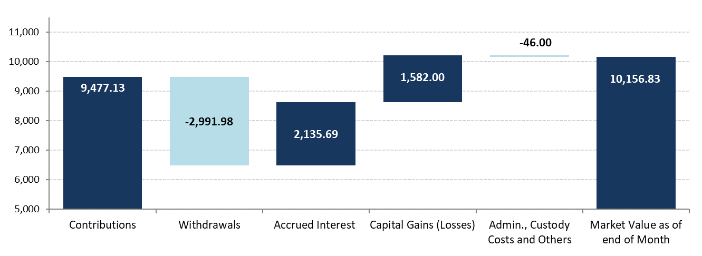

 | Historical Market Value
 | (US$ million)

