Market Value
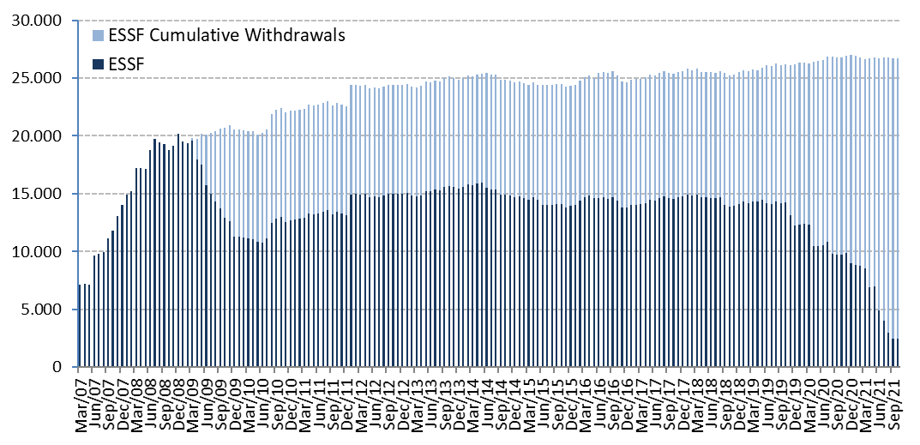
ESSF Market Value

Changes in Market Value | 2007 | 2008 | 2009 | 2010 | 2011 | 2012 | 2013 | 2014 | 2015 | 2016 | 2017 | 2018 | 2019 | 2020 | 2021 |  |  |  | Since Inception(1)
(US$ million) |  |  |  |  |  |  |  |  |  |  |  |  |  |  | Q1 | Q2 | Q3 | October
Starting Market Value | 0.00 | 14,032.61 | 20,210.68 | 11,284.78 | 12,720.10 | 13,156.64 | 14,997.52 | 15,419.13 | 14,688.82 | 13,966.28 | 13,772.06 | 14,738.82 | 14,133.85 | 12,233.41 | 8,955.24 | 8,551.92 | 4,930.16 | 2,481.60 | 0.00
Contributions | 13,100.00 | 5,000.00 | 0.00 | 1,362.33 | 0.00 | 1,700.00 | 603.39 | 0.00 | 0.00 | 0.00 | 0.00 | 0.00 | 0.00 | 0.00 | 0.00 | 0.00 | 0.00 | 0.00 | 21,765.71
Withdrawals | 0.00 | 0.00 | -9,277.71 | -150.00 | 0.00 | 0.00 | 0.00 | -498.93 | -463.88 | -462.29 | 0.00 | -541.58 | -2,563.89 | -4,090.00 | 0.00 | -3,750.00 | -2,446.78 | 0.00 | -24,245.06
Accrued Interest | 326.15 | 623.95 | 404.27 | 227.63 | 236.99 | 201.89 | 184.10 | 188.28 | 167.08 | 161.56 | 153.01 | 166.92 | 171.28 | 95.44 | 14.34 | 12.55 | 5.06 | 1.13 | 3,341.65
Capital Gains (Losses) | 606.81 | 556.08 | -50.83 | -3.51 | 200.71 | -59.71 | -363.71 | -416.97 | -422.87 | 109.12 | 816.56 | -227.51 | 495.33 | 719.26 | -417.08 | 116.20 | -6.45 | -18.77 | 1,632.67
Admin., Custody and Other Costs(2) | -0.35 | -1.96 | -1.62 | -1.13 | -1.16 | -1.30 | -2.17 | -2.69 | -2.87 | -2.61 | -2.80 | -2.82 | -3.17 | -2.86 | -0.59 | -0.52 | -0.39 | 0.00 | -31.01
Final Market Value | 14,032.61 | 20,210.68 | 11,284.78 | 12,720.10 | 13,156.64 | 14,997.52 | 15,419.13 | 14,688.82 | 13,966.28 | 13,772.06 | 14,738.82 | 14,133.85 | 12,233.41 | 8,955.24 | 8,551.92 | 4,930.16 | 2,481.60 | 2,463.97 | 2,463.97
(1) The ESSF was established by the merger of the fiscal assets saved under Decree Law N° 3.653 (1981) with those of the Copper Income Compensation Fund. The first payment into the new fund was made on March 6, 2007.
(2) It includes costs associated with consultants and others.

By Asset Class | 2007 | 2008 | 2009 | 2010 | 2011 | 2012 | 2013(1) | 2014 | 2015 | 2016 | 2017 | 2018 | 2019 | 2020 | 2021
(US$ million) |  |  |  |  |  |  |  |  |  |  |  |  |  |  | Q1 | Q2 | Q3 | October
Money Market (2) | 4,216.29 | 5,957.12 | 3,373.66 | 3,773.50 | 3,939.33 | 4,488.14 | 5,107.57 | 4,934.76 | 4,766.70 | 4,622.49 | 4,976.47 | 4,777.23 | 4,148.52 | 3,122.23 | 2,978.28 | 1,678.11 | 856.46 | 911.02
Sovereign Bonds (3) | 9,323.73 | 13,583.62 | 7,508.85 | 8,501.34 | 8,755.83 | 9,987.37 | 8,524.08 | 8,099.28 | 7,720.56 | 7,531.68 | 8,045.82 | 7,938.70 | 6,716.23 | 5,058.33 | 4,787.06 | 2,692.65 | 1,389.99 | 1,461.72
Sovereign Inflation Linked Bonds | 492.59 | 669.93 | 402.27 | 445.26 | 461.48 | 522.01 | 541.64 | 512.29 | 489.36 | 478.50 | 514.58 | 488.36 | 429.81 | 312.17 | 302.45 | 191.31 | 87.21 | 90.65
Equities (4) | - | - | - | - | - | - | 1,245.83 | 1,142.49 | 989.65 | 1,139.39 | 1,201.95 | 929.55 | 938.84 | 462.51 | 484.13 | 368.08 | 147.94 | 0.57
Market Value | 14,032.61 | 20,210.68 | 11,284.78 | 12,720.10 | 13,156.64 | 14,997.52 | 15,419.13 | 14,688.82 | 13,966.28 | 13,772.06 | 14,738.82 | 14,133.85 | 12,233.41 | 8,955.24 | 8,551.92 | 4,930.16 | 2,481.60 | 2,463.97
(1) In August 2013 a new invesment policy that includes equities was implemented.
(2) It includes sovereign bills and commercial money market. It may include instruments issued by Supranational institutions, agencies and eligible entities with explicit government guarantee with remanent maturity lower than one year.
(3) This item may include instruments issued by Supranational institutions, agencies and eligible entities with explicit government guarantee with remanent maturity higher than one year.
(4) UBS end equities management on September 27, 2021. The balance in the month of October corresponds to a remainder in the account.

By Risk Exposure | 2007 | 2008 | 2009 | 2010 | 2011 | 2012 | 2013(1) | 2014 | 2015 | 2016 | 2017 | 2018 | 2019 | 2020 | 2021
(US$ million) |  |  |  |  |  |  |  |  |  |  |  |  |  |  | Q1 | Q2 | Q3 | October
Sovereigns (2) | 9,283.19 | 16,617.20 | 8,913.96 | 10,112.22 | 10,949.50 | 12,746.00 | 11,450.71 | 9,773.08 | 9,780.39 | 9,492.27 | 10,125.91 | 10,025.86 | 8,532.19 | 7,011.37 | 6,595.65 | 3,444.75 | 2,333.48 | 2,420.14
Banks | 4,216.29 | 3,593.47 | 2,370.82 | 2,607.88 | 2,207.14 | 2,251.52 | 2,722.58 | 3,773.24 | 3,196.23 | 3,140.40 | 3,410.96 | 3,178.43 | 2,762.37 | 1,481.36 | 1,472.14 | 1,117.33 | 0.17 | 43.26
Agencies | 533.12 | - | - | - | - | - | - | - | - | - | - | - | - | - | - | - | - | -
Equities (3) | - | - | - | - | - | - | 1,245.83 | 1,142.49 | 989.65 | 1,139.39 | 1,201.95 | 929.55 | 938.84 | 462.51 | 484.13 | 368.08 | 147.94 | 0.57
Market Value | 14,032.61 | 20,210.68 | 11,284.78 | 12,720.10 | 13,156.64 | 14,997.52 | 15,419.13 | 14,688.82 | 13,966.28 | 13,772.06 | 14,738.82 | 14,133.85 | 12,233.41 | 8,955.24 | 8,551.92 | 4,930.16 | 2,481.60 | 2,463.97
(1) In August 2013 a new invesment policy that includes equities was implemented.
(2) This item may include instruments issued by Supranational institutions, agencies and eligible entities with explicit government guarantee.
(3) UBS end equities management on September 27, 2021. The balance in the month of October corresponds to a remainder in the account.

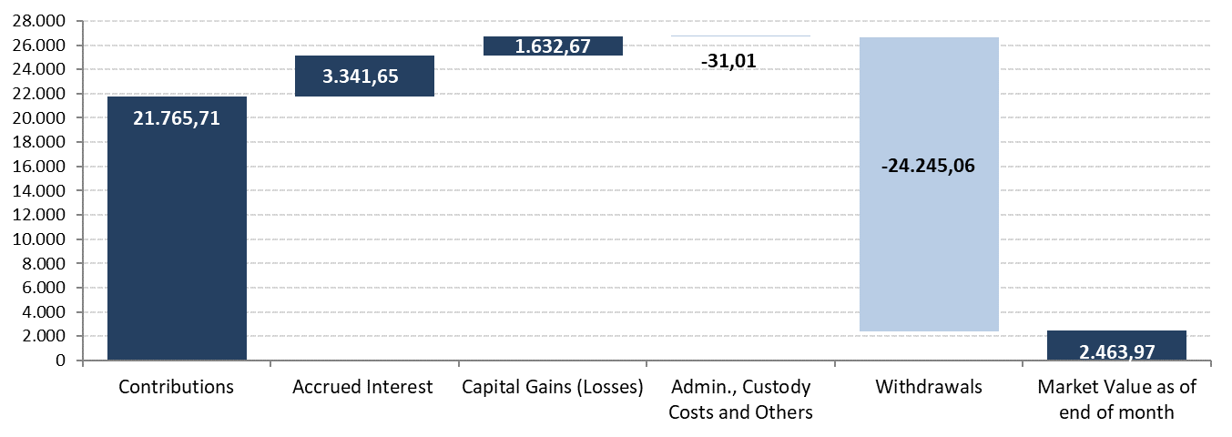
Changes in Market Value Since Inception |  |  |  |  |  |  |  |  | marginal
(US$ million)
 |  |  |  |  |  |  |  |  | 0.00
 |  |  |  |  |  |  |  |  | 9,427.71
 |  |  |  |  |  |  |  |  | 1,858.13
 |  |  |  |  |  |  |  |  | 1,388.21
 |  |  |  |  |  |  |  |  | 6.45

Market Value
(US$ million)

