Market Value
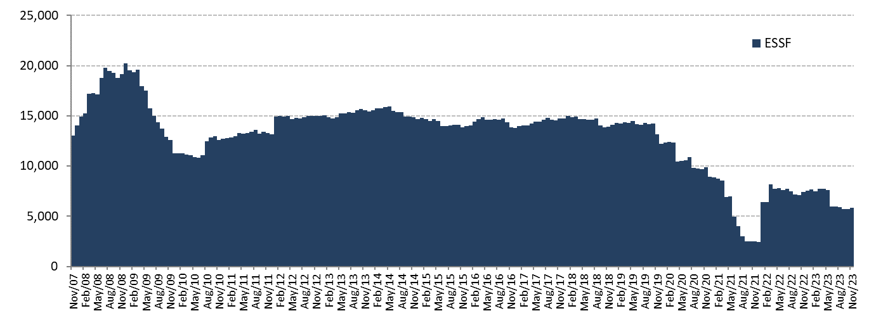
ESSF Market Value

Changes in Market Value | 2007 | 2008 | 2009 | 2010 | 2011 | 2012 | 2013 | 2014 | 2015 | 2016 | 2017 | 2018 | 2019 | 2020 | 2021 | 2023 |  |  |  |  | Since Inception(1)
(US$ million) |  |  |  |  |  |  |  |  |  |  |  |  |  |  |  | Q1 | Q2 | Q3 | October | November
Starting Market Value | 0.00 | 14,032.61 | 20,210.68 | 11,284.78 | 12,720.10 | 13,156.64 | 14,997.52 | 15,419.13 | 14,688.82 | 13,966.28 | 13,772.06 | 14,738.82 | 14,133.85 | 12,233.41 | 8,955.24 | 7,514.18 | 7,700.69 | 5,932.60 | 5,740.11 | 5,688.38 | 0.00
Contributions | 13,100.00 | 5,000.00 | 0.00 | 1,362.33 | 0.00 | 1,700.00 | 603.39 | 0.00 | 0.00 | 0.00 | 0.00 | 0.00 | 0.00 | 0.00 | 0.00 | 0.00 | 0.00 | 0.00 | 0.00 | 0.00 | 27,763.41
Withdrawals | 0.00 | 0.00 | -9,277.71 | -150.00 | 0.00 | 0.00 | 0.00 | -498.93 | -463.88 | -462.29 | 0.00 | -541.58 | -2,563.89 | -4,090.00 | -6,196.78 | 0.00 | -1,640.53 | 0.00 | 0.00 | 0.00 | -25,885.64
Accrued Interest | 326.15 | 623.95 | 404.27 | 227.63 | 236.99 | 201.89 | 184.10 | 188.28 | 167.08 | 161.56 | 153.01 | 166.92 | 171.28 | 95.44 | 34.99 | 25.32 | 30.29 | 28.10 | 10.23 | 13.13 | 3,503.47
Capital Gains (Losses) | 606.81 | 556.08 | -50.83 | -3.51 | 200.71 | -59.71 | -363.71 | -416.97 | -422.87 | 109.12 | 816.56 | -227.51 | 495.33 | 719.26 | -334.07 | 161.68 | -157.60 | -220.36 | -61.91 | 163.12 | 517.62
Admin., Custody and Other Costs(2) | -0.35 | -1.96 | -1.62 | -1.13 | -1.16 | -1.30 | -2.17 | -2.69 | -2.87 | -2.61 | -2.80 | -2.82 | -3.17 | -2.86 | -2.18 | -0.48 | -0.24 | -0.23 | -0.05 | -0.15 | -34.38
Final Market Value | 14,032.61 | 20,210.68 | 11,284.78 | 12,720.10 | 13,156.64 | 14,997.52 | 15,419.13 | 14,688.82 | 13,966.28 | 13,772.06 | 14,738.82 | 14,133.85 | 12,233.41 | 8,955.24 | 2,457.20 | 7,700.69 | 5,932.60 | 5,740.11 | 5,688.38 | 5,864.48 | 5,864.48
(1) The ESSF was established by the merger of the fiscal assets saved under Decree Law N° 3.653 (1981) with those of the Copper Income Compensation Fund. The first payment into the new fund was made on March 6, 2007.
(2) It includes costs associated with consultants and others.

By Asset Class | 2007 | 2008 | 2009 | 2010 | 2011 | 2012 | 2013(1) | 2014 | 2015 | 2016 | 2017 | 2018 | 2019 | 2020 | 2021 | 2023
(US$ million) |  |  |  |  |  |  |  |  |  |  |  |  |  |  |  | Q1 | Q2 | Q3 | October | November(1)
Money Market (2) | 4,216.29 | 5,957.12 | 3,373.66 | 3,773.50 | 3,939.33 | 4,488.14 | 5,107.57 | 4,934.76 | 4,766.70 | 4,622.49 | 4,976.47 | 4,777.23 | 4,148.52 | 3,122.23 | 907.94 | 2,826.33 | 2,189.91 | 2,064.51 | 2,049.05 | 598.27
Sovereign Bonds | 9,323.73 | 13,583.62 | 7,508.85 | 8,501.34 | 8,755.83 | 9,987.37 | 8,524.08 | 8,099.28 | 7,720.56 | 7,531.68 | 8,045.82 | 7,938.70 | 6,716.23 | 5,058.33 | 1,456.83 | 4,587.17 | 3,516.91 | 3,464.48 | 3,428.02 | 4,167.93
Sovereign Inflation Linked Bonds | 492.59 | 669.93 | 402.27 | 445.26 | 461.48 | 522.01 | 541.64 | 512.29 | 489.36 | 478.50 | 514.58 | 488.36 | 429.81 | 312.17 | 91.94 | 287.19 | 225.78 | 211.13 | 211.31 | 226.06
US Agencies MBS | 0.00 | 0.00 | 0.00 | 0.00 | 0.00 | 0.00 | 0.00 | 0.00 | 0.00 | 0.00 | 0.00 | 0.00 | 0.00 | 0.00 | 0.00 | 0.00 | 0.00 | 0.00 | 0.00 | 872.23
Equities (3) | 0.00 | 0.00 | 0.00 | 0.00 | 0.00 | 0.00 | 1,245.83 | 1,142.49 | 989.65 | 1,139.39 | 1,201.95 | 929.55 | 938.84 | 462.51 | 0.48 | 0.00 | 0.00 | 0.00 | 0.00 | 0.00
Market Value | 14,032.61 | 20,210.68 | 11,284.78 | 12,720.10 | 13,156.64 | 14,997.52 | 15,419.13 | 14,688.82 | 13,966.28 | 13,772.06 | 14,738.82 | 14,133.85 | 12,233.41 | 8,955.24 | 2,457.20 | 7,700.69 | 5,932.60 | 5,740.11 | 5,688.38 | 5,864.48
(1) Investments in US Agencies MBS started on November 2, 2023.
(2) It includes sovereign bills and money market.
(3) The management of the equity portfolio by UBS ended on September 27, 2021.

By Risk Exposure | 2007 | 2008 | 2009 | 2010 | 2011 | 2012 | 2013(1) | 2014 | 2015 | 2016 | 2017 | 2018 | 2019 | 2020 | 2021 | 2023
(US$ million) |  |  |  |  |  |  |  |  |  |  |  |  |  |  |  | Q1 | Q2 | Q3 | October | November(1)
Sovereigns | 9,283.19 | 16,617.20 | 8,913.96 | 10,112.22 | 10,949.50 | 12,746.00 | 11,450.71 | 9,773.08 | 9,780.39 | 9,492.27 | 10,125.91 | 10,025.86 | 8,532.19 | 7,011.37 | 2,425.06 | 7,475.59 | 5,923.63 | 5,815.88 | 5,687.42 | 4,980.90
Banks (2) | 4,216.29 | 3,593.47 | 2,370.82 | 2,607.88 | 2,207.14 | 2,251.52 | 2,722.58 | 3,773.24 | 3,196.23 | 3,140.40 | 3,410.96 | 3,178.43 | 2,762.37 | 1,481.36 | 31.65 | 225.10 | 8.97 | -75.76 | 0.96 | 11.76
US Agencies MBS | 0.00 | 0.00 | 0.00 | 0.00 | 0.00 | 0.00 | 0.00 | 0.00 | 0.00 | 0.00 | 0.00 | 0.00 | 0.00 | 0.00 | 0.00 | 0.00 | 0.00 | 0.00 | 0.00 | 871.83
Equities (3) | 0.00 | 0.00 | 0.00 | 0.00 | 0.00 | 0.00 | 1,245.83 | 1,142.49 | 989.65 | 1,139.39 | 1,201.95 | 929.55 | 938.84 | 462.51 | 0.48 | 0.00 | 0.00 | 0.00 | 0.00 | 0.00
Market Value | 14,032.61 | 20,210.68 | 11,284.78 | 12,720.10 | 13,156.64 | 14,997.52 | 15,419.13 | 14,688.82 | 13,966.28 | 13,772.06 | 14,738.82 | 14,133.85 | 12,233.41 | 8,955.24 | 2,457.20 | 7,700.69 | 5,932.60 | 5,740.11 | 5,688.38 | 5,864.48
(1) Investments in US Agencies MBS started on November 2, 2023.
(2) It includes cash, cash equivalents and unsettled transactions.
(3) The management of the equity portfolio by UBS ended on September 27, 2021.

Changes in Market Value Since Inception |  |  |  |  |  |  |  |  | marginal
(US$ million)
 |  |  |  |  |  |  |  |  | 0.00
 |  |  |  |  |  |  |  |  | 9,427.71
 |  |  |  |  |  |  |  |  | 1,858.13
 |  |  |  |  |  |  |  |  | 1,388.21
 |  |  |  |  |  |  |  |  | 6.45

Market Value
(US$ million)

